Results
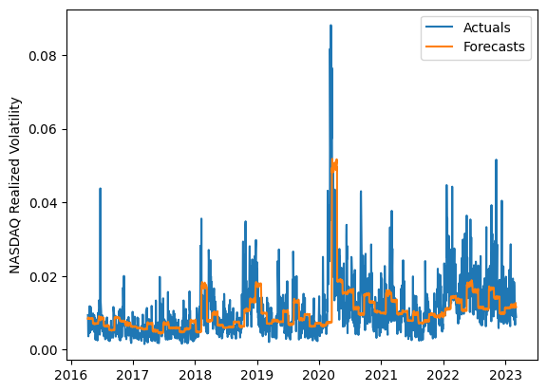
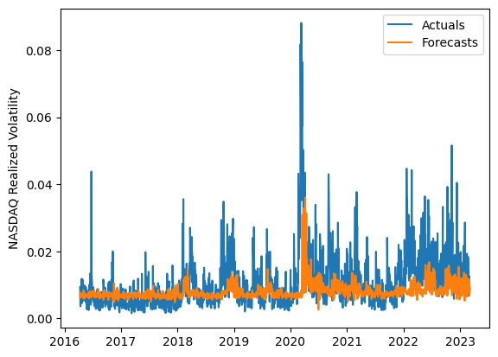
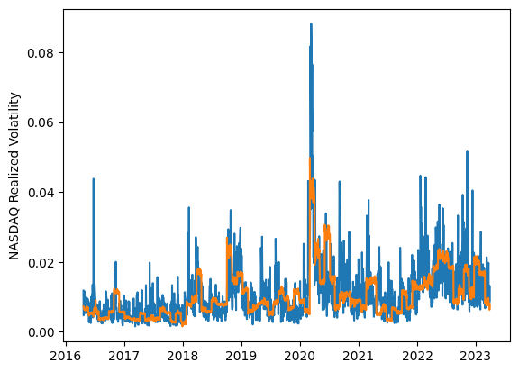
 | LSTM |  |  | TCN |  |  | NBEATSx |  |  |  |  | LSTM |  |  | TCN |  |  | NBEATSx
 | Accuracy | RMSE | Qlike | Accuracy | RMSE | Qlike | Accuracy | RMSE | Qlike |  |  | Accuracy | RMSE | Qlike | Accuracy | RMSE | Qlike | Accuracy | RMSE | Qlike
Trial 1 | 49.25% | 0.46% | 16.51% | 55.93% | 0.46% | 14.97% | 55.92% | 0.43% | 16.00% |  | Mean | 51.73% | 0.461% | 0.160 | 54.42% | 0.474% | 0.162 | 55.51% | 0.433% | 0.171
Trial 2 | 52.69% | 0.44% | 15.28% | 54.58% | 0.46% | 15.82% | 55.58% | 0.43% | 17.67% |  | Standard Deviation | 4.67% | 0.014% | 0.013 | 1.61% | 0.012% | 0.008 | 0.53% | 0.003% | 0.006
Trial 3 | 57.94% | 0.46% | 14.81% | 53.11% | 0.49% | 17.21% | 55.21% | 0.43% | 16.57% |  | 95% CI upper bound | 61.08% | 0.489% | 0.186 | 57.64% | 0.499% | 0.178 | 56.56% | 0.439% | 0.183
Trial 4 | 46.37% | 0.46% | 17.59% | 53.30% | 0.47% | 16.54% | 55.73% | 0.43% | 17.28% |  | 95% CI lower bound | 42.39% | 0.433% | 0.134 | 51.19% | 0.450% | 0.145 | 54.46% | 0.427% | 0.159
Trial 5 | 51.48% | 0.45% | 15.63% | 55.38% | 0.47% | 15.37% | 55.24% | 0.43% | 16.59% |  | 99.7% CI upper bound | 65.75% | 0.503% | 0.199 | 59.25% | 0.511% | 0.187 | 57.08% | 0.443% | 0.189
Trial 6 | 44.51% | 0.49% | 18.44% | 54.95% | 0.47% | 15.93% | 54.70% | 0.44% | 18.30% |  | 99.7% CI lower bound | 37.72% | 0.419% | 0.121 | 49.58% | 0.438% | 0.137 | 53.93% | 0.424% | 0.153
Trial 7 | 53.80% | 0.44% | 14.94% | 57.03% | 0.46% | 14.94% | 55.59% | 0.43% | 16.75%
Trial 8 | 44.48% | 0.48% | 18.32% | 54.24% | 0.49% | 16.83% | 56.29% | 0.43% | 17.26%
Trial 9 | 51.13% | 0.47% | 16.12% | 55.32% | 0.47% | 15.68% | 55.35% | 0.43% | 17.41%
Trial 10 | 58.74% | 0.45% | 14.20% | 53.57% | 0.48% | 16.77% | 56.09% | 0.43% | 16.83%
Trial 11 | 48.45% | 0.48% | 16.97% | 55.77% | 0.49% | 16.28% | 55.77% | 0.43% | 17.91%
Trial 12 | 53.34% | 0.44% | 15.02% | 50.40% | 0.48% | 17.52% | 55.01% | 0.43% | 16.71%
Trial 13 | 59.36% | 0.47% | 15.08% | 54.18% | 0.48% | 16.62% | 55.87% | 0.43% | 16.75%
Trial 14 | 52.68% | 0.46% | 15.34% | 55.54% | 0.45% | 15.07% | 55.85% | 0.43% | 16.67%
Trial 15 | 51.75% | 0.45% | 15.59% | 52.93% | 0.48% | 16.81% | 54.38% | 0.44% | 17.33%

 | LSTM (best trial) |  |  |  |  |  |  |  |  | TCN (best trial) |  |  |  |  |  |  |  |  | NBEATSx (best trial)

